Group8
Financial Assessment of Dollarama
Group 8
Ann Babu Treeza
Abigail Sunil Dsilva
Ranisha Rajagopalan Girija
Aesha Bhavanisinh Rathod
Srinivas Venuvanka

https://www.dollarama.com/en-CA/corp/news-release?id=122714
https://finance.yahoo.com/news/dollarama-reports-fourth-quarter-fiscal-110000441.html
Dollarama Full Year 2024 Earnings: EPS Beats Expectations (yahoo.com)

Risk Free Rate
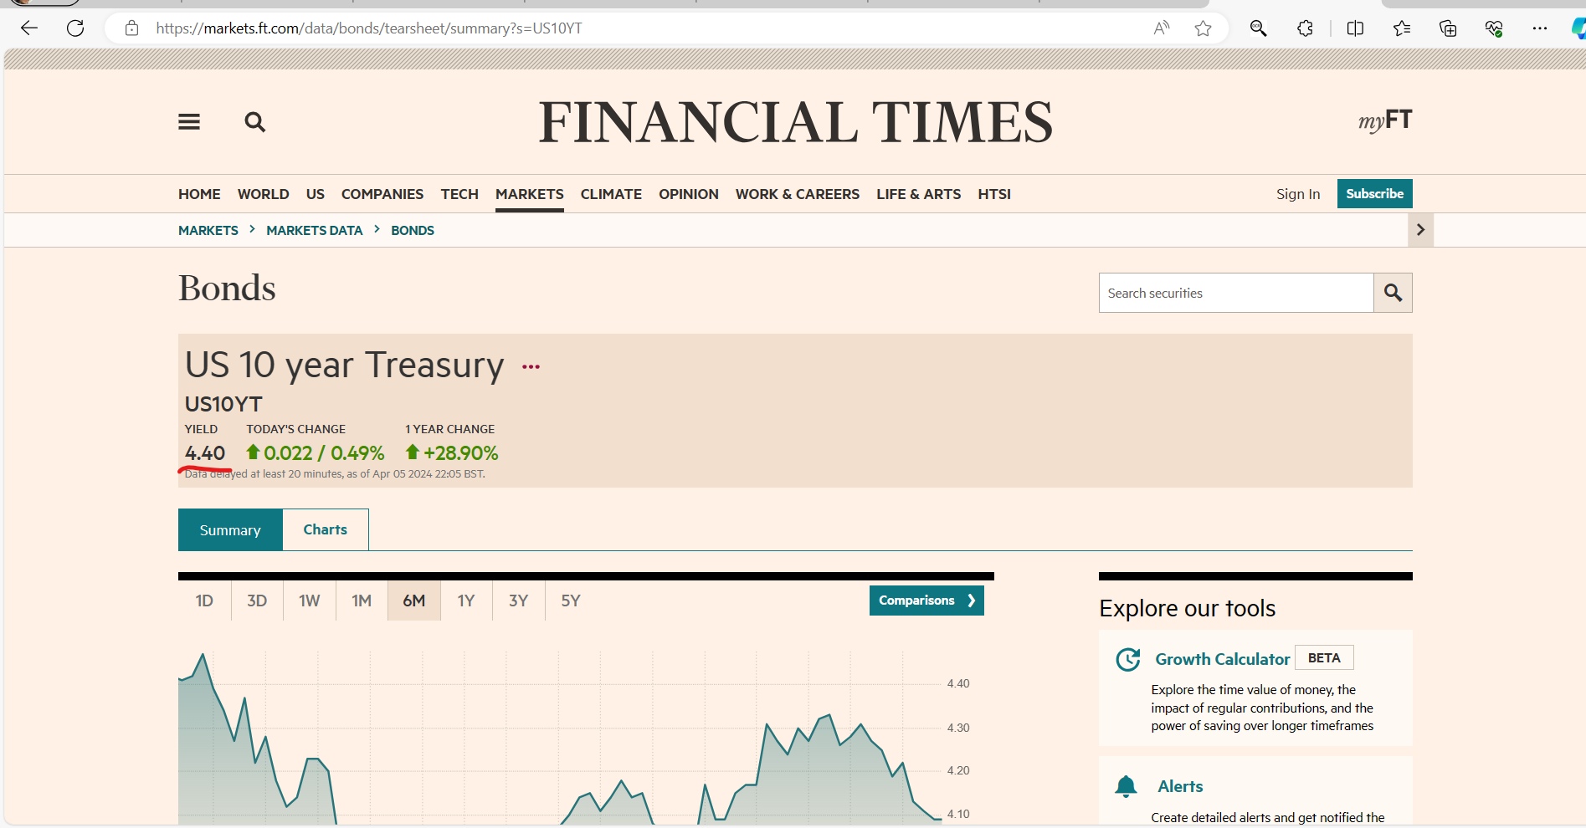
https://fred.stlouisfed.org/series/DGS10/ | Risk free Rate | 4.31%

DCF
Values | 2021 | 2022 | 2023 | 2024 | 2025 | 2026 | 2027 | 2028 | 2029 | 2030
Revenue | $4,026,259.00 | $4,330,761.00 | $5,052,741.00 | $5,867,348.00 | $6,555,856.94 | $7,325,159.55 | $8,184,736.64 | $9,145,181.52 | $10,218,330.63 | $11,417,409.33
Cost of Revenue | $2,261,248.00 | $2,428,536.00 | $2,854,535.00 | $3,253,907.00 | $3,623,611.91 | $4,035,322.24 | $4,493,810.58 | $5,004,391.81 | $5,572,984.65 | $6,206,180.31
Gross Profit | $1,765,011.00 | $1,902,225.00 | $2,198,206.00 | $2,613,441.00 | $2,931,988.48 | $3,289,363.12 | $3,690,297.49 | $4,140,101.00 | $4,644,730.24 | $5,210,867.80
Operating Income | $841,346.00 | $951,433.00 | $1,146,102.00 | $1,420,428.00 | $1,647,075.64 | $1,909,887.83 | $2,214,635.10 | $2,568,008.74 | $2,977,767.70 | $3,452,909.00
Depreciation and Amortization | $269,633.00 | $297,960.00 | $331,792.00 | $365,445.00 | $400,664.77 | $439,278.84 | $481,614.34 | $528,029.93 | $578,918.82 | $634,712.13
Required Investment |  |  |  |  | $327,792.85 | $366,257.98 | $409,236.83 | $457,259.08 | $510,916.53 | $570,870.47
Tax Rate | 25.20%
FCF (FCF = EBIT(1− T) + Deprec − Required Investment) |  |  |  |  | 2025 | 2026 | 2027 | 2028 | 2029 | 2030
Free Cash Flows |  |  |  |  | $1,304,887.55 | $1,501,620.50 | $1,728,928.68 | $1,991,646.16 | $2,295,378.06 | $2,646,624.01
 |  |  |  |  |  |  |  |  | Horizon Value | $304,673,912.98
PV |  |  |  |  | $1,262,362.67 | $1,452,684.30 | $1,672,584.74 | $1,926,740.54 | $2,220,574.15 | $297,305,290.06
 |  |  |  |  |  |  |  |  | Total NPV | $305,840,236.46
 | Growth Rate |  |  | Average | Intrinsic Value |  | Market Value |  | Market Price | $109.75
Revenue | 7.03% | 14.29% | 13.88% | 11.73% | Enterprice Value | $251,371,798.60 | Market Cap | 30866090 | Delta | $769.76
Cost of Revenue | 6.89% | 14.92% | 12.27% | 11.36% | Plus: Cash | $313,915.00 | Plus: Debt | 4333623
Gross Profit | 7.21% | 13.46% | 15.89% | 12.19% | Less:Debt | 4333623 | Less: Cash | $313,915.00
Operating Income | 11.57% | 16.99% | 19.31% | 15.96% | Equity Value | $247,352,090.60 | Enterprise Value | $34,885,798.00
Depreciation and Amortization | 9.51% | 10.20% | 9.21% | 9.64%
Cash and Cash Equivalents | $313,915.00 |  |  |  | Equity Value/Share | $879.51 | Equity Value/Share | $109.75
Required Investment | 5.00%
Long term growth rate (g) | 2.50%
Discount rate /Wacc | 3.37%
No. of shares outstanding | 281240.00

Equity Value Per Share

